Estimator
 |  |  |  |  |  |  | 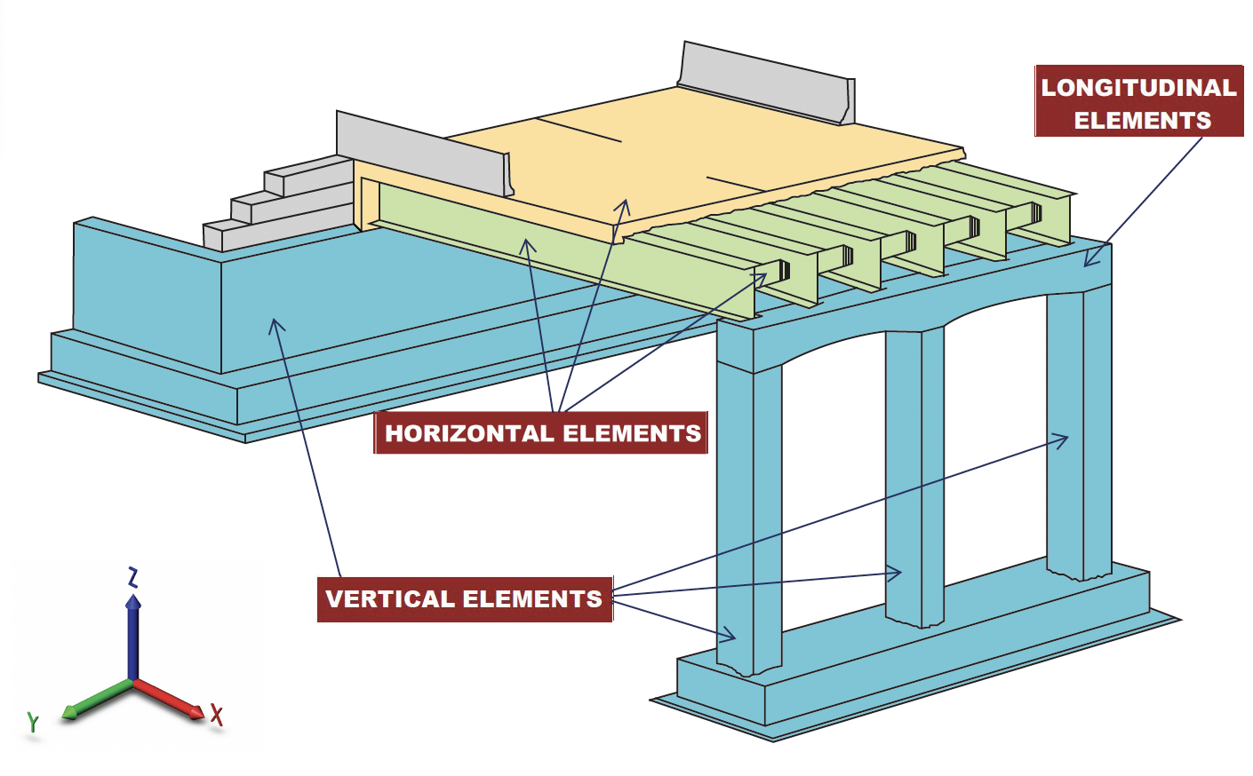

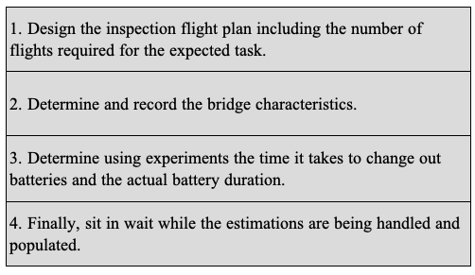

Inspection Plan |  |  |  | Bridge Characteristics |  |  | Time for Total Vertical Flights | 2.61 |  | Total Bridge Inspection Time | 146.14
 |  |  |  |  |  |  |  |  | min |  |  | min
# of Vertical Flights | 8 |  |  | Heigh of Vertical Element | 35 | /ft | Time for Total Horizontal Flights | 3.73 |  |  | 2.44
# of Horizontal Flights | 8 |  |  | Length of Horizontal Element | 66 | /ft |  |  | min |  |  | hr
# of Longitudinal Flights | 8 |  |  | Length of Longitudinal Element | 34 | /ft | Time for Total Longitudinal Flights | 2.57
# of Isolated Elements | 4 |  |  | Length of Grade Beam | 30 | /ft |  |  | min
Error Factor | 30 | % |  | Width of Deck | 34 | /ft | Time for Total Isolated Flights | 2.33
Adjustment Time | 10 | /sec |  | Length of Deck | 66 | /ft |  |  | min
Flight Speed (mph) | 2.5 | mph |  | Number of Spans | 10 |  |  |  |  | Number of Batteries | 7
 |  |  |  | Inspection Time of Isolated Element | 15 |  | Flight Time Per Span | 14.61 | min
Flight Speed Ranges Based on Pilot Skill Levels
 |  |  |  | UAV Characteristics
Basic | 1.00 - 1.75 |  | mph
Intermediate | 1.75 - 2.30 |  | mph | Flight time per battery | 25 | /min
Professional | 2.30 - 3.00 |  | mph | Time per battery swap | 2 | /min

